Question1
Demand during lead time follows normal distribution.

$$G\left(R\right)=\frac{b}{h+b}→0.9≤\frac{b}{5+b }→b≥\$45$$

Question2
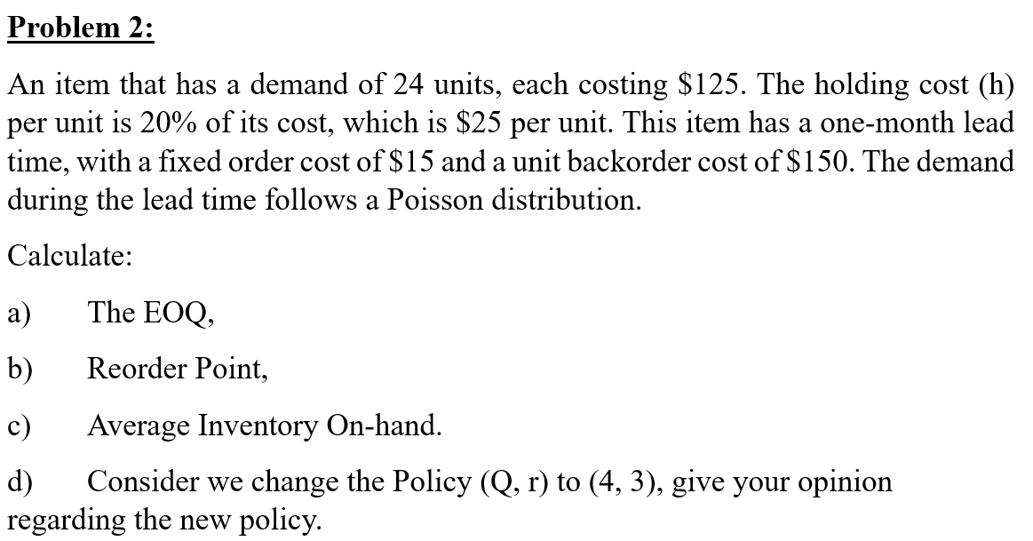
$$θ=E\left(D\right)×l$$
 |  |  |  |  | θ | 2 | units/year | --> expected demand during lead time

$$EOQ=\sqrt{\frac{2AD}{h}}$$
 |  |  |  | a. | EOQ | 6 | units

 |  |  |  | b. | Poisson distribution --> discrete distribution --> Poisson table
 |  |  |  |  | r | p(r) | G(r) | B(r)
 |  |  |  |  | 0 | 0.135 | 0.135 | 2.000
 |  |  |  |  | 1 | 0.271 | 0.406 | 1.135 | p(r) = POISSON.DIST(r, θ, false)
 |  |  |  |  | 2 | 0.271 | 0.677 | 0.541 | G(r) = POISSON.DIST(r, θ, true)
 |  |  |  |  | 3 | 0.180 | 0.857 | 0.218 | B(r) = θp(r)+(θ-r)[1-G(r)]
 |  |  |  |  | 4 | 0.090 | 0.947 | 0.075
 |  |  |  |  | 5 | 0.036 | 0.983 | 0.022
 |  |  |  |  | 6 | 0.012 | 0.995 | 0.006
Demand during lead time follows Poisson distribution. |  |  |  |  | 7 | 0.003 | 0.999 | 0.001
 |  |  |  |  | 8 | 0.001 | 1.000 | 0.000
D = | 24 | units/year | --> expected demand per year E(D) |  | 9 | 0.000 | 1.000 | 0.000
c = | $125 | /units |  |  | 10 | 0.000 | 1.000 | 0.000
h = | $25 | /units
$$G\left(r^{∗}\right)=\frac{b}{h+b}$$
l = | 1 | month = 1/12 year |  |  | G(r*) | 0.857
A = | $15
b = | $150 |  |  |  | Using the above table, G(r*) = 0.857 when r*=3.
$$B\left(Q^{∗},r^{∗}\right)=\frac{1}{Q^{∗}}\sum_{x=r^{∗}+1}^{r^{∗}+Q^{∗}}{B\left(x\right)}=\frac{1}{Q^{∗}}[B\left(4\right)+B\left(5\right)+B\left(6\right)+B\left(7\right)+B\left(8\right)+B\left(9\right)]$$
 |  |  |  | c. | B(Q*,r*) | 0.017549039214

$$I\left(Q^{∗},r^{∗}\right)=\frac{Q^{∗}+1}{2}+r^{∗}−θ+B\left(Q^{∗},r^{∗}\right)$$
 |  |  |  |  | I(Q*,r*) | 4.5175490392

$$F\left(Q^{∗}\right)=\frac{D}{Q^{∗}}$$
 |  |  |  | d. | For (Q*=6, r*=3) policy:
 |  |  |  |  |  | F(Q*) | 4
$$S\left(Q^{∗},r^{∗}\right)=1−\frac{1}{Q^{∗}}\left[B\left(r^{∗}\right)−B\left(r^{∗}+Q^{∗}\right)\right]=1−\frac{1}{Q^{∗}}\left[B\left(3\right)−B\left(9\right)\right]$$
 |  |  |  |  |  | B(Q*,r*) | 0.017549039214

 |  |  |  |  |  | I(Q*,r*) | 4.5175490392

 |  |  |  |  |  | S(Q*,r*) | 0.96367314381

 |  |  |  |  | For (Q=4, r=3) policy:
 |  |  |  |  |  | F(Q) | 6
$$B\left(Q,r\right)=\frac{1}{Q}\sum_{x=r+1}^{r+Q}{B\left(x\right)}=\frac{1}{Q}[B\left(4\right)+B\left(5\right)+B\left(6\right)+B(7)]$$
 |  |  |  |  |  | B(Q,r) | 0.034981321331

 |  |  |  |  |  | I(Q,r) | 3.5349813213

$$S\left(Q,r\right)=1−\frac{1}{Q}\left[B\left(r\right)−B\left(r+Q\right)\right]=1−\frac{1}{Q}\left[B\left(3\right)−B\left(7\right)\right]$$
 |  |  |  |  |  | S(Q,r) | 0.92779100972

 |  |  |  |  | (Q,r) | (6,3) | (4,3)
 |  |  |  |  | F(Q) | 4 | 6
 |  |  |  |  | B(Q,r) | 0.0175 | 0.0350
 |  |  |  |  | I(Q,r) | 4.5175 | 3.5350
 |  |  |  |  | S(Q,r) | 0.9637 | 0.9278

 |  |  |  |  | The (Q=4, r=3) policy will lower the service level while reducing the inventory level.
 |  |  |  |  | However, the cost of achieving this is 2 additional replenishment orders per year.

